Pivot Table 3








Content type wise Content Count
AVERAGE of duration_minutes vs. content_type

Average of IMDB Rating vs Content Type

Dashboard
NETFLIX

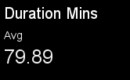
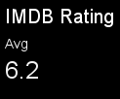
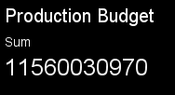
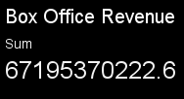



Content type wise Content Count
 | Total IDs
Content Type wise Duration Minutes

Country Wise Invest Vs Return
Average of IMDB Rating vs Content Type
Investment vs Return

